Hoja 1
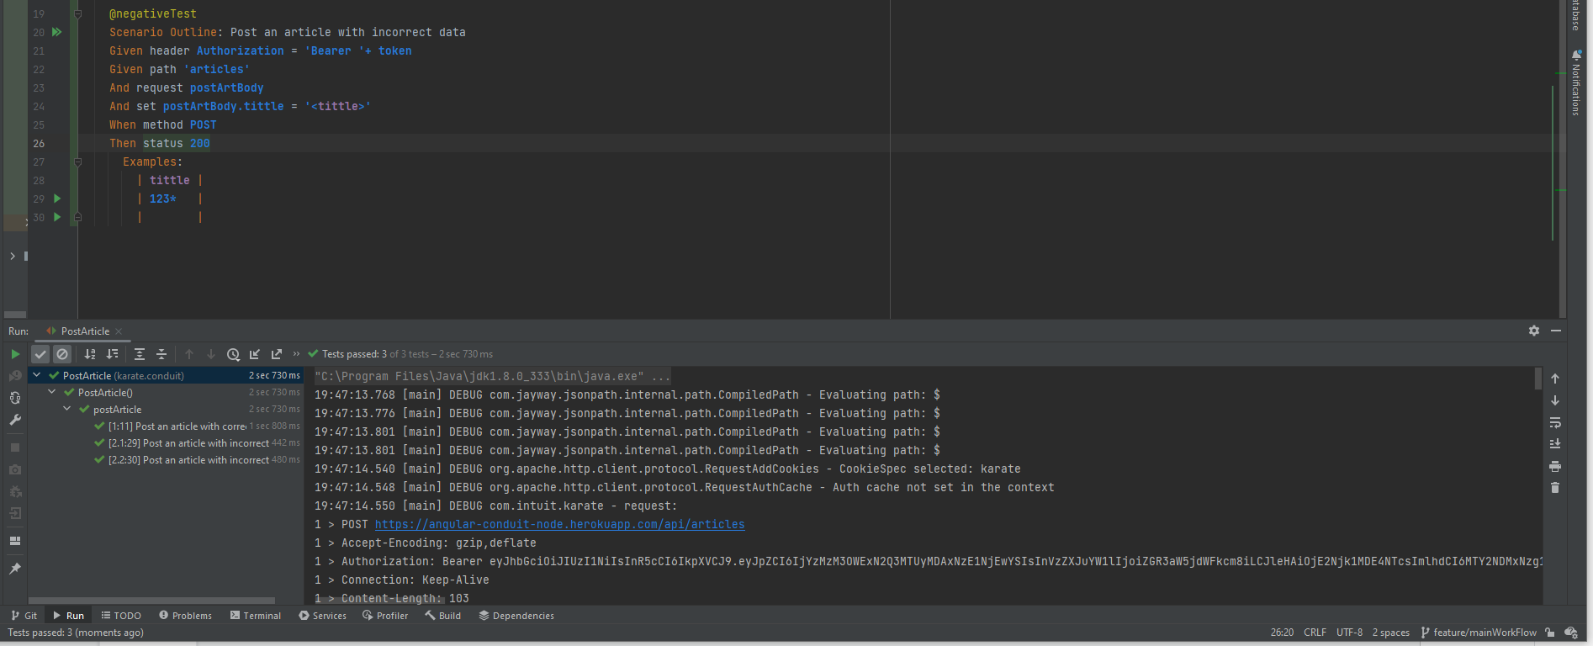
ID | Module | Tittle | Requiriments | Steps | Obtained result | Expected result | Evidence | Severity | criticality | status
001 | Article | Successfully post article | - Have access to the service API - Have the body to send the request | 1. Create the feature 2. Send the URL https://angular-conduit-node.herokuapp.com/api 3. Send the endpoint /articles 4. Send the body request: { "article": { "title": 123*, "description": "string", "body": "string", "tagList": [ "string" ] } } 5. Wating for a 400 status code | { "article": { "title": "string", "description": "string", "body": "string", "tagList": [ "string" ] } } | 1. Unsuccessfully register 2. Body response: { "errors": { "message": "Unexpected token * in JSON at position 35", "error": {} } } 3.status code 400 |  | Medium | High | In process
002 | Article | Successfully post article | - Have access to the service API - Have the body to send the request | 1. Create the feature 2. Send the URL https://angular-conduit-node.herokuapp.com/api 3. Send the endpoint /articles 4. Send the body request: { "article": { "title": " ", "description": "string", "body": "string", "tagList": [ "string" ] } } 5. Wating for a 400 status code | { "article": { "title": "string", "description": "string", "body": "string", "tagList": [ "string" ] } } | 1. Unsuccessfully register 2. Body response: { "errors": { "message": "Unexpected token * in JSON at position 35", "error": {} } } 3.status code 400 |  | Medium | High | In process
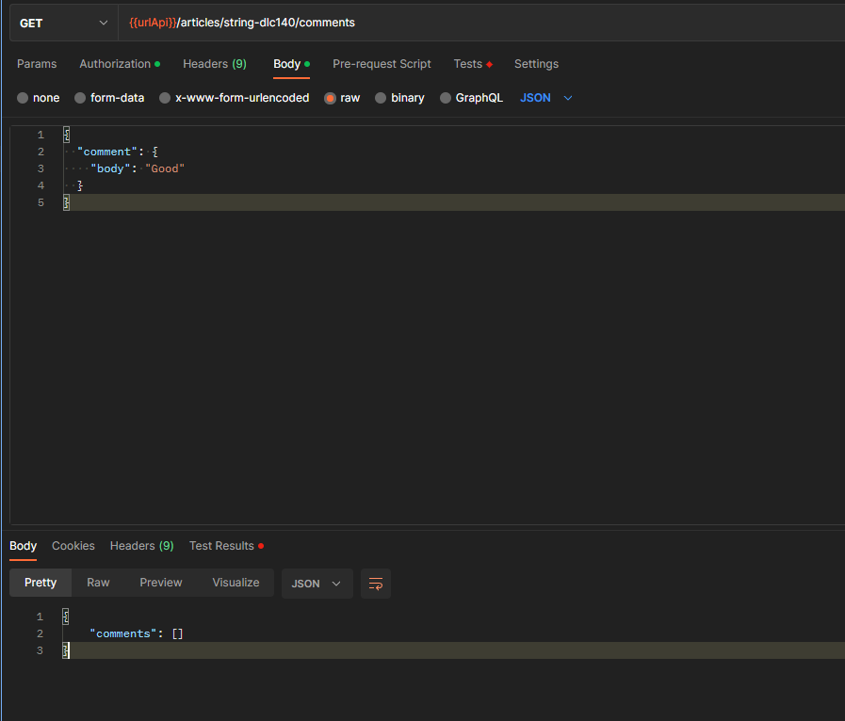
003 | Comments | Post comments | - Have access to the service API - Have the body to send the request | 1. Create the feature 2. Send the URL https://angular-conduit-node.herokuapp.com/api 3. Send the endpoint /articles/{slug}/comments 4. Send the body request: { "comment": { "body": "Good" } } 5. Wating for a 200 status code | { "comments": [] } | { "comment": { "id": 0, "createdAt": "2022-09-28T00:55:20.776Z", "updatedAt": "2022-09-28T00:55:20.776Z", "body": "string", "author": { "username": "string", "bio": "string", "image": "string", "following": true } } } |  | Medium | High | In process

